Student_Names_Sorted
Student | GBA Group | Participation L3 | Participation L4 | Participation L5 | Participation L6 | 3 groups per lesson

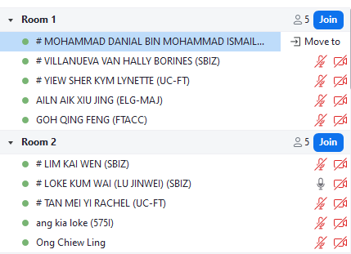
LOKE KUM WAI (LU JINWEI) | 1
ANG KIA LOKE | 1 |  |  |  |  | Lesson 2
BEVERLYN TAN JIAMIN | 1
MUHAMMAD BIN OSMAN | 1
TAN PEI LING | 2
HILMI BIN ISHAK | 2
ONG MING DA | 2
PANG SHI DA LAWRENCE | 2
ONG CHIEW LING | 3
CHUA QI YING | 3
LEE WEI XUAN | 3
RIS NURISH ISZRYFINNA BINTE MOHAMED ISMAIL | 3
GOH JUN JIE | 4
ANGELA LIU QIYU | 4
LIM SOON MENG | 4 | 1
NUR FAZILLAH BINTE ABDUL RAHMAN | 4
ANG XIU ZHI | 5 | 0
NAOMI TINA GAN MIN | 5
TAN MEI YI RACHEL | 5 |  |  |  |  | Lesson 3
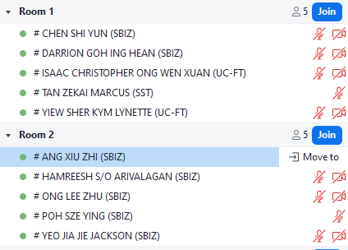
WONG KEE MOI | 5
YEO JIA JIE, JACKSON | 6 | 1
MUHAMMAD FITHRI BIN FADILIAH | 6 | 1
TEA ICH NGY | 6
TEH YI LIN | 6
LAU WEI LIAN (LIU WEILIAN) | 7
LIM KAI WEN | 7
NG YI JIAN | 7
SHAFINA BINTE HAZMAN | 7
PEREIRA KATHLYN THERESE | 8
GOH QING FENG | 8
NG LING YING | 8
TAN ZEKAI, MARCUS | 8 | 0
THANSEEM BINTE MOHAMED JALALUDEEN | 9
AILN AIK XIU JING | 9
CHUA YONG HUA | 9
NG XUE ER, ARIEL | 9
MOHAMMAD DANIAL BIN MOHAMMAD ISMAIL | 10
DARRION GOH ING HEAN | 10 | 1
MUHAMMAD YUSUF BIN ZAINUDIN | 10
ONG LEE ZHU | 10 | 0
CHUA YU ZHE | 11
GWENDOLYN YEO ZI HUI (YANG ZIHUI) | 11
ONG SHENG DA | 11
VILLANUEVA VAN HALLY BORINES | 11
GOH JIA YI SAMUEL | 12
CHEN SHI YUN | 12 | 1
HAMREESH S/O ARIVALAGAN | 12 | 0
TAN WEE HUAT | 12
ISSAC CHRISTOPHER ONG WEN XUAN | 13
ADAM ABDULLAH ANG | 13
DON LEE YANG | 13
NUR HAMIZAH BINTE RIDWAN | 13 | 1
YIEW SHER KYM LYNETTE | 14
LEE JAY HOON JENNY | 14
NUR AMEERAH BINTE NASSIRUDIN | 14
NUR RUZAINATUL HUSNAA BINTE ABDUL JALIL | 14
POH SZE YING | 14 | 1

